Map
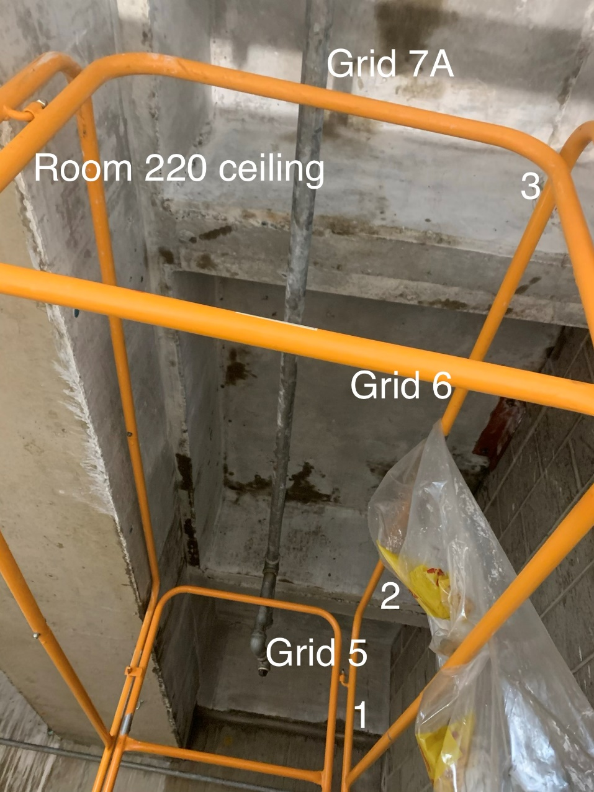

Survey No | INIS-020620-1173
Date | 2020-02-06
Survey Tech | D. Dodge
Count Room Tech | P. Ray
Date Counted | 2020-02-06
Survey Type | Characterization
Level of Posting | CA
Comments

